Staffing sheet
Sheriffs Mutual Aid
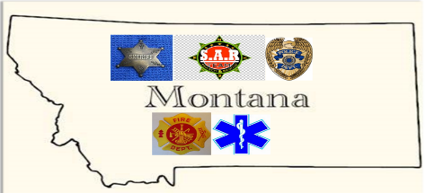

 | Name of Incident:
 | Date(s) of Incident:

Incident Staffing Work Sheet | Number | Number
Regular Coverage | DAY | NIGHT
How many LEOs to cover regular calls? |  |  | Make sure there are enough to be self sufficient
How many LEO supervisors |  |  | How many do you usually have on shift - consider at least one senior person that can handle the normal stuff

Incident Coverage |  |  | Posts are functions that need covered (car patrol, foot patrol, campground, intersection…)
How many posts need covered for the event? |  |  | Number of Posts x number of people per post (usually at least 2 bodies per)
How many Supervisors? |  |  | Number of designated adults you want in an operational area to rove and solve problems

Specialized Resources |  |  | See the LE packages sheet for an idea of how many people come with each specialty
SWAT |  |  | Tac Cmdr., operators and negotiators usually about 18 people
Investigators
SRT/Civil disturb/field force |  |  | One platoon is about 24 people
k-9
EOD |  |  | A team is usually 3
Pedal Bikes |  |  | Team of 2
Motorcycle Cops |  |  | Team of 2
Horse Patrol |  |  | Team of 2
DTF Investigators
Coroner
Traffic Enforcement Squad |  |  | Usually about 6
Intel

Tactical Reserve |  |  | Does the incident potentially need a reserve available to respond? Does it need to be on site?

Support Staffing
Incident Management Team |  |  | IC, Plans Logistics… Typically between 5 and 6 people
Support |  |  | Subject matter experts, Mobile Cmd Post operators, Drone geeks

Total Staffing
How many of the above are volunteers

How many days is the event scheduled for or predicted
How many hours a day do you need coverage

 |  |  | Count the number of state or federal people that are included in the yellow above
Number of state of fed resourses |  |  | *some state resources will require payment.
Number of local resources |  |  | Count the number of local people that are included in the yellow above that wont need housing
How many other people will there be |  |  | Feds, observers, Fire, EMS… Not paying wages but you may want to feed or support them

Other Considerations
Are there enough Dispatchers to handle the extra load
If not how many extra do you need

How long will it take for help to arrive if we need it? |  |  |  | Wages | OT | rate | hours | total
Will it be there in time to make a difference in life safety |  |  |  |  |  | 46.65 | 12 | $559.80
 |  |  |  |  | Breakfast | Lunch | Dinner
Things that happen - can you staff it? |  |  |  | Per diem | $8.00 | $10.00 | $17.00 | $35.00
How many LEOs to handle a big crash? |  |  |  | lodging |  |  |  | $100.00
How many LEOs to respond to a fire? |  |  |  |  |  | rate | miles
How many PSOs to transport prisoners? |  |  |  | Travel |  | 0.56 | 150 | $84.00
How many PSOs to staff the jail ? |  |  |  | Misc |  |  |  | $100.00
 |  |  |  |  |  |  |  | $878.80
Full Cost
Full cost (wages, food, lodging, expenses)
estimated $900/day/person

Potential local costs

